scarpe
Row Labels | Item Description | Color Description | Gender | LSRP price | wholesale price | 4 | 4H | 5 | 5H | 6 | 6H | 7 | 7H | 8 | 8H | 9 | 9H | 10 | 10H | 11 | 11H | 12 | 12H | 13 | 13H | 14 | 15 | 16 | Grand Total
H6Z2Y-100 | CLASSIC TEMPO | WHITE/BLACK | Men | 60.00 | 30.00 | 13 | 12 | 13 | 13 | 11 | 4 |  |  | 8 | 26 | 24 | 34 | 40 | 31 | 8 | 17 | 14 |  |  |  |  |  |  | 268
H6Z2Y-001 | CLASSIC TEMPO | BLACK/STONE GREY | Men | 60.00 | 30.00 | 6 | 6 | 13 | 8 | 7 |  | 14 | 17 | 38 | 50 | 69 | 73 | 84 | 33 | 34 | 17 | 10 | 1 |  |  |  |  |  | 480
HN7A0-002 | CURREO II | BLACK/RICH GOLD | Men | 65.00 | 32.50 | 8 | 8 | 4 | 24 | 34 | 9 | 2 | 4 | 8 | 11 | 8 | 13 | 27 | 24 | 25 | 18 | 14 | 6 | 1 |  | 3 |  |  | 251
HN7A0-300 | CURREO II | FOREST/MOONROCK | Men | 65.00 | 32.50 | 5 | 5 | 5 | 10 | 9 | 5 | 3 | 13 | 29 | 68 | 25 | 64 | 60 | 21 | 25 | 1 | 11 | 4 | 2 |  | 2 |  |  | 367
HN7A0-5896 | CURREO II | PEACOAT/GLACIER GREY | Men | 65.00 | 32.50 | 3 | 2 | 9 |  | 5 | 9 | 22 | 2 | 4 | 158 | 26 | 161 | 154 | 20 | 3 | 7 | 47 | 13 | 4 |  | 7 |  |  | 656
HN7A0-9001 | CURREO II | Black/White | Men | 65.00 | 32.50 | 10 | 2 | 4 | 7 | 2 | 8 | 5 | 2 | 20 | 115 | 129 | 247 | 207 | 39 | 3 | 5 | 28 | 8 | 13 |  | 8 |  |  | 862
 |  |  |  |  |  |  |  |  |  |  |  |  |  |  |  |  |  |  |  |  |  |  |  |  |  |  |  |  | 2884

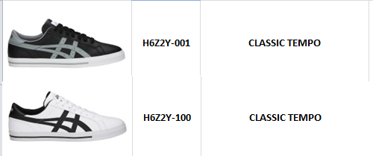
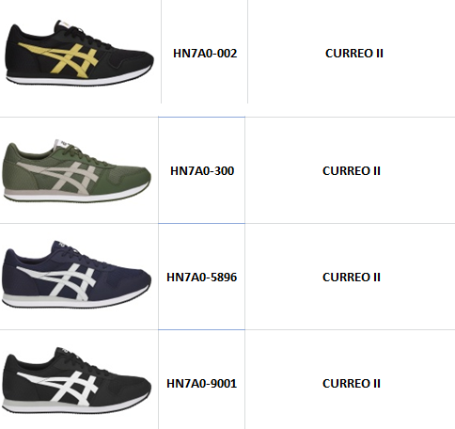

 |  |  |  |  |  |  |  |  |  |  |  |  |  |  |  |  |  |  |  |  |  |  |  |  |  |  |  |  |  | 0

